D-LAB DIETARY SUPPLEMENT
D- LAB DIETARY SUPPLEMENT
PHOTOS | BRANDS | LINK | REF | DESR | QTY | RETAIL | TOTAL | SHELF Life | SHELF Life | SHELF Life
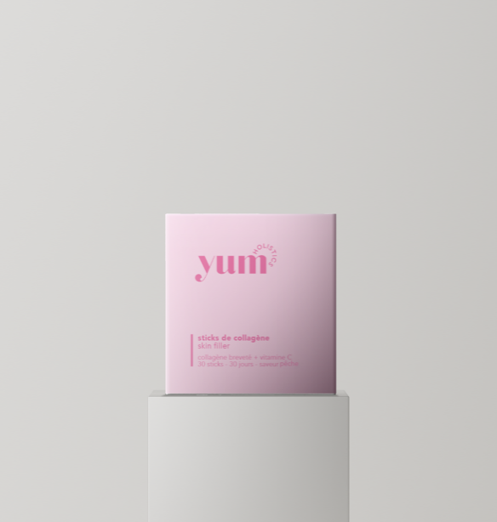 | YUM | https://yumholistics.co/products/sticks-de-collagene-saveur-vanille-copie-1?srsltid=AfmBOop77tdGmJGYw5VZSML_9WDQAQkDCsGMnEWfD8lL2sqiog8lD6x_ | YUMCOLSFSTI | COLLAGENE SKIN FILLER STICK | 286 | 55.00 € | 15,730.00 €
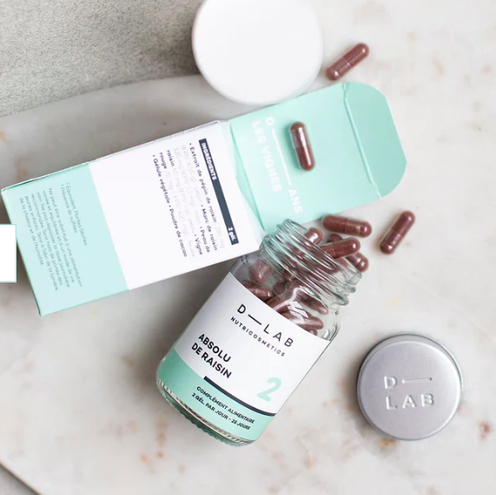 | D-LAB | https://dailylab.com/products/absolu-de-raisin-old | DABSR14GEL | ABSOLU DE RAISIN 14 GEL | 2,056 | 9.00 € | 18,504.00 € | 271 | 04/27 | 1 785 | 10/27
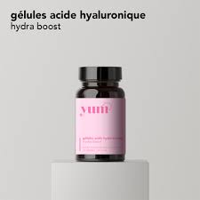 | YUM |  | YUMAHYALUGEL | ACIDE HYALURONIQUE HYDRA BOOST | 1,727 | 40.00 € | 69,080.00 €
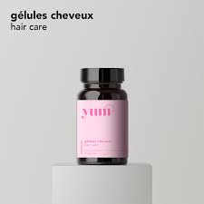 | YUM |  | YUMCHEHCGEL | CHEVEUX HAIR CARE GEL | 1,516 | 35.00 € | 53,060.00 €
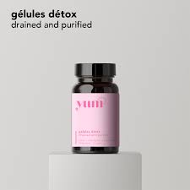 | YUM | https://yumholistics.co/products/gelules-detox?srsltid=AfmBOopUwCrnULp72tJzrTHW-xgqnIZ_wgMCwkLl9AR5vhOAL-E_Jvjo | YUMDTXDRPUGEL | DETOX DRAINED & PURIFIED | 473 | 35.00 € | 16,555.00 €
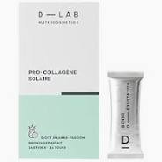 | D-LAB | https://dailylab.com/products/pro-collagene-solaire-sticks | DPCS28STI | PRO COLLAGENE SOLAIRE - 28 STICKS | 419 | 72.00 € | 30,168.00 € | 419 | 01/28
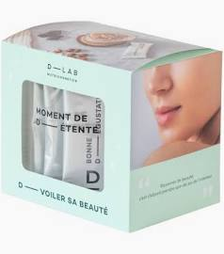 | D-LAB | https://dailylab.com/products/pro-collagene-digestion-sticks | DPCDI14STI | PRO-COLLAGENE DIGESTION 14 STICKS | 2,218 | 40.00 € | 88,720.00 € | 2 197 | 11/27
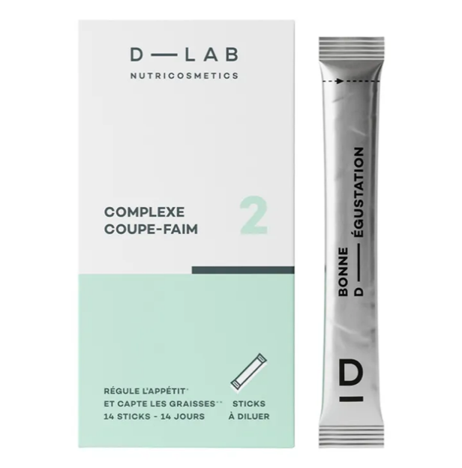 | D-LAB | https://www.smallable.com/en/product/appetite-suppressing-complex-14-sticks-d-lab-354741?srsltid=AfmBOooNI3BWHaNPx57TUAz2PteoieSKDbsnqJfVC-L1HbzoHJGQ4-Kt | DCPXCF14STIGB | APPETITE SUPPRESSANT 14 STICKS | 1,977 | 40.00 € | 79,080.00 € | 2 | 01/00 | 1 882 | 03/27 | 93 | 05/28
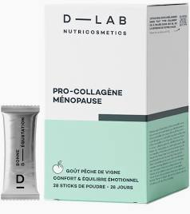 | D-LAB | https://dailylab.com/products/sticks-menopause | DPCME28STI | PRO COLLAGENE MENOPAUSE - 28 STICKS | 1,968 | 72.00 € | 141,696.00 € | 1 886 | 11/26
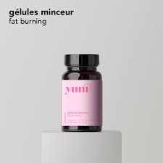 | YUM |  | YUMMINFBGEL | MINCEUR FAT BURNING | 544 | 35.00 € | 19,040.00 €
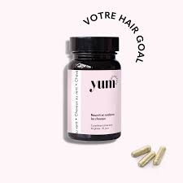 | YUM | https://yumholistics.co/products/cheveux-au-vent?srsltid=AfmBOopDez4oX2gmSuH_K1JLG6oE-vyPgpwzv9moVyrQBTJcKSkJptrO | YUMCHVT | CHEVEUX AU VENT 60 GEL | 668 | 35.00 € | 23,380.00 €
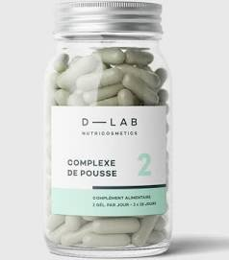 | D-LAB | https://dailylab.com/products/complexe-de-pousse | CPXPOUSS14 | COMPLEXE DE POUSSE 14 GEL | 652 | 9.00 € | 5,868.00 € | 652 | 09/27
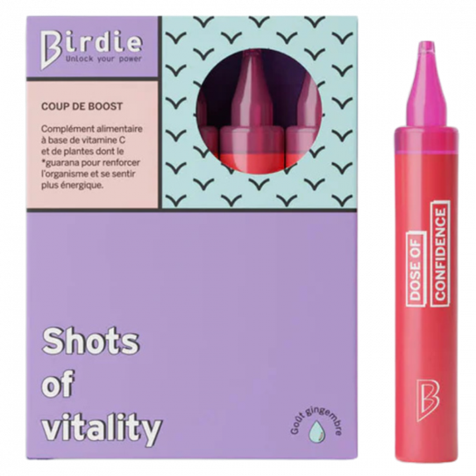 | Birdie | https://www.jolimoi.com/fr/complements-alimentaires/54238-shots-of-vitality-10-jours.html?srsltid=AfmBOorW37HnttOFPLQnZL-mDrXZyGsxmOIuEX9xQoHjTnJZEKVeFyg9 | BSOVI10MLX10GB | SHOTS OF VITALITY 10 UNICADOSE GB | 1,607 | 23.00 € | 36,961.00 € | 1 607 | 12/26
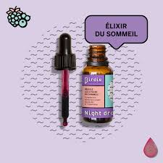 | Birdie | https://birdienutrition.com/products/night-drops | BNIDROPS | NIGHT DROPS 20 ML | 1,699 | 23.00 € | 39,077.00 € | 1 598 | 11/26
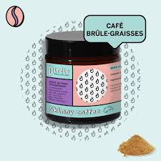 | Birdie | https://birdienutrition.com/products/skinny-coffee | BPSCOF | SKINNY COFFEE 75 G | 1,993 | 23.00 € | 45,839.00 € | 6 | 04/27 | 1 327 | 07/28 | 529 | 08/28
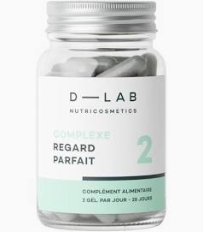 | D-LAB | https://dailylab.com/products/complexe-regard-parfait | DCPXRP | COMPLEXE REGARD PARFAIT | 2,195 | 38.00 € | 83,410.00 € | 2 094 | 10/27
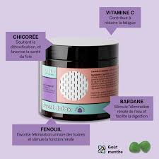 | Birdie | https://www.jolimoi.com/fr/corps/58286-sweet-detox.html?srsltid=AfmBOoo_az8EDpuqeDu2dODf24fB22SkAvRbRwsRWmfl3usEVpGGF0IF | BSDTX30GUM | SWEET DETOX 30 GUM | 2,539 | 23.00 € | 58,397.00 € | 16 | 07/26 | 2 360 | 03/27
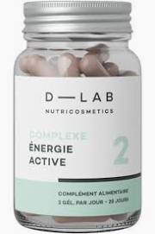 | D-LAB | https://www.jolimoi.com/fr/corps/42819-complexe-energie-active-.html?srsltid=AfmBOoqe9b6bEjp178mtJ-hN06NnnC1pxrXBapNVNDDVSoDrzfQTayTf | CPXEACT | COMPLEXE ENERGIE ACTIVE 56 GEL | 3,759 | 26.00 € | 97,734.00 € | 846 | 09/27 | 1 070 | 11/27 | 1 696 | 01/28
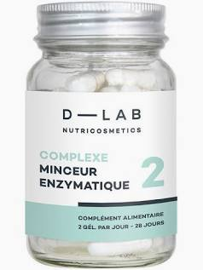 | D-LAB | https://dailylab.com/products/complexe-minceur-enzymatique-old | CPXENDIG14GEL | COMPLEXE MINCEUR ENZYMATIQUE 14 GEL | 546 | 9.00 € | 4,914.00 € | 546 | 03/27
 | YUM |  | YUMANTIIMPGUM | ANTI IMPERFECTION DAMAGED TO REPAIRED SKIN | 991 | 25.00 € | 24,775.00 €
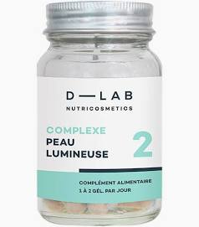 | D-LAB | https://dailylab.com/products/complexe-peau-lumineuse | CPXPL | COMPLEXE PEAU LUMINEUSE 28 GEL | 2,025 | 48.00 € | 97,200.00 € | 2 003 | 08/27
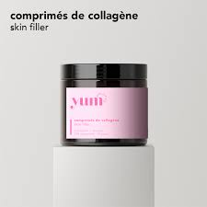 | YUM | https://yumholistics.co/products/comprimes-de-collagene?srsltid=AfmBOorWkjjzqEIrQ_3InAysYTbnnKAfOuTfRz_02lRrgGNlgzN2vAqA | YUMCOLSFCPR | COMPRIME DE COLLAGENE SKIN FILLER | 1,181 | 40.00 € | 47,240.00 €
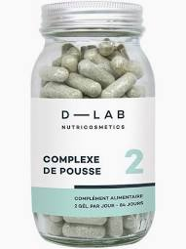 | D-LAB | https://dailylab.com/products/complexe-de-pousse | CPXPOUSS20 | COMPLEXE DE POUSSE 20 GEL | 2,153 | 12.00 € | 25,836.00 € | 504 | 07/26 | 2 | 07/26 | 1 647 | 09/27
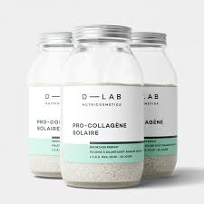 | D-LAB | https://dailylab.com/products/pro-collagene-solaire | DPCS | PRO-COLLAGENE SOLAIRE 28 JOURS | 837 | 72.00 € | 60,264.00 € | 13 | 02/27 | 722 | 06/27
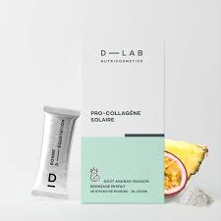 | D-LAB | https://dailylab.com/products/pro-collagene-solaire-sticks | DPCS14STI | PRO-COLLAGENE SOLAIRE 14 STICKS | 2,933 | 40.00 € | 117,320.00 € | 139 | 12/26 | 2 506 | 05/27
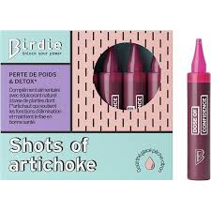 | Birdie | https://birdienutrition.com/products/shots-of-artichoke | BSOA15MLX14 | BIRDIE SHOTS OF ARTICHOK 14 UNICADOSES | 2,807 | 23.00 € | 64,561.00 € | 442 | 07/26 | 2 162 | 09/28
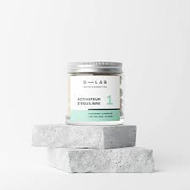 | D-LAB | https://dailylab.com/products/activateur-d-equilibre | ACTREL | ACTIVATEUR D EQUILIBRE 56 GEL | 3,968 | 30.00 € | 119,040.00 € | 994 | 02/28 | 2 387 | 03/28
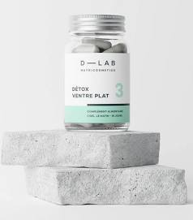 | D-LAB | https://dailylab.com/products/detox-ventre-plat | DTXVEPLAT | DETOX VENTRE PLAT 56 GEL | 4,783 | 26.00 € | 124,358.00 € | 1 614 | 10/26 | 2 664 | 06/27
 | YUM | https://yumholistics.co/products/gelules-auto-bronzantes?srsltid=AfmBOoraZ3uBSW8UdATztsdD7xGrZlMKWT4NPdxAGkCbArOU8vG7uKLG | YUMAUTOBRGEL | AUTO BRONZANTE TAN BOOST | 624 | 35.00 € | 21,840.00 €
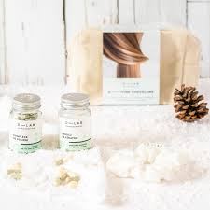 | D-LAB | https://dailylab.com/products/coffret-routine-capillaire | DTRNOEL24 | DLAB TROUSSE DE NOEL 2024 | 321 | 80.00 € | 25,680.00 € | 49 | 09/26 | 272 | 02/27
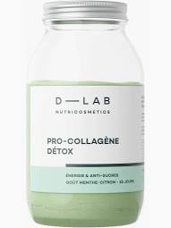 | D-LAB | https://dailylab.com/products/pro-collagene-detox | DPCD | PRO-COLLAGENE DETOX | 2,488 | 78.00 € | 194,064.00 € | 3 | 01/00 | 723 | 01/28 | 1 345 | 02/28
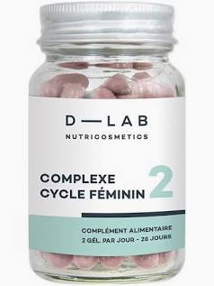 | D-LAB | https://dailylab.com/products/complexe-cycle-feminin | CPXCF | COMPLEXE CYCLE FEMININ 56 GEL | 2,480 | 28.00 € | 69,440.00 € | 4 | 05/27 | 858 | 10/28 | 1 451 | 12/28
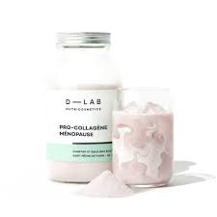 | D-LAB | https://dailylab.com/products/pro-collagene-menopause | DPCME | PRO-COLLAGENE MENOPAUSE | 3,538 | 78.00 € | 275,964.00 € | 85 | 11/26 | 3 147 | 01/27
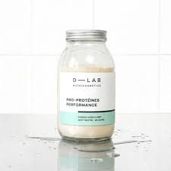 | D-LAB | https://dailylab.com/products/pro-proteines-performance | PROPROP | PRO-PROTEINES PERFORMANCE 28 JOURS | 1,157 | 70.00 € | 80,990.00 €
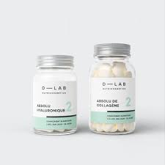 | D-LAB | https://dailylab.com/products/nutrition-absolue | DUONA2V5PF | DUO NUTRITION ABSOLUE 70 JOURS | 428 | 175.00 € | 74,900.00 € | 1 | 01/00 | 6 | 03/27 | 408 | 07/27
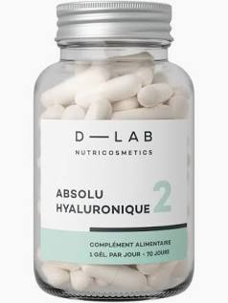 | D-LAB | https://dailylab.com/products/absolu-hyaluronique | DPF25009 | ABSOLU HYALURONIQUE 70 GEL | 1,385 | 80.00 € | 110,800.00 € | 613 | 07/27 | 1 | 02/28 | 726 | 05/28
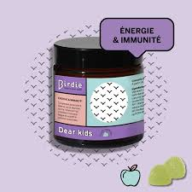 | Birdie | https://birdienutrition.com/products/dear-kids-gummies | BDK30GUM | BIRDIE DEAR KIDS | 610 | 23.00 € | 14,030.00 € | 461 | 04/27
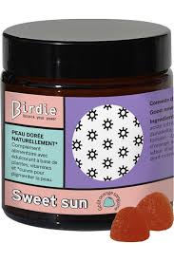 | Birdie | https://birdienutrition.com/products/sweet-sun | BGSSUN2 | SWEET SUN 30 GUM | 264 | 23.00 € | 6,072.00 € | 253 | 07/27
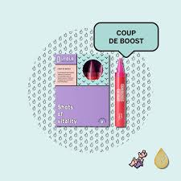 | Birdie | https://birdienutrition.com/products/shots-of-vitality | BSOVI10MLX10 | SHOTS OF VITALITY 10 UNICADOSES | 1,463 | 23.00 € | 33,649.00 € | 500 | 12/26
 | D-LAB | https://dailylab.com/products/complexe-regard-parfait | DCPXRP14GEL | COMPLEXE REGARD PARFAIT - 14 GEL | 814 | 12.00 € | 9,768.00 € | 1 | 01/00 | 813 | 03/28
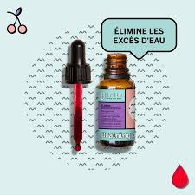 | Birdie | https://dailylab.com/products/draining-drops | BDRAINDROPS | DRAINING DROPS 20 ML | 835 | 21.00 € | 17,535.00 € | 520 | 11/26
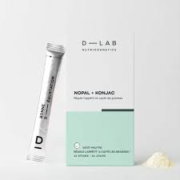 | D-LAB | https://dailylab.com/products/complexe-coupe-faim | DCPXCF14S | COMPLEXE COUPE-FAIM 6 G 14 STICKS | 1,035 | 40.00 € | 41,400.00 € | 248 | 05/28
 | D-LAB |  | DTRSOLPCS | TROUSSE SOLAIRE 25 PROCO SOLAIRE | 347 | 88.00 € | 30,536.00 € | 19 | 01/00 | 328 | 02/27
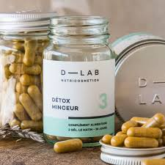 | D-LAB | https://dailylab.com/products/detox-minceur | DTXMINC | DETOX MINCEUR 56 GEL | 418 | 26.00 € | 10,868.00 € | 1 | 10/26
TOTAL D-LAB |  |  |  |  | 68,727 | 38.20 € | 2,625,343.00 €

